Dashboard
FNOMO CRM EXECUTION DASHBOARD
Connected to GTM_Schedule. Update task status, owner, or priority there and this dashboard becomes the daily view for Kush and Indu.
Overall Progress |  |  |  | Active Tasks |  |  | Completed |  |  | Needs Attention
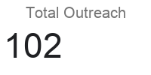 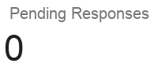 |  |  |  | 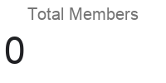 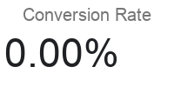

In Progress |  |  |  | Waiting |  |  | Blocked |  |  | High Priority Open

Status Overview |  |  |  |  | Phase Performance |  |  |  |  | Owner Accountability
Status | Count | Share | Target Signal | Health | Phase | Open | Done | Completion % | Reading | Owner | Open | Done | Share of Open | Reading
Not Started |  |  | Watch |  | Phase 1 |  |  |  |  | Kush
In Progress |  |  | Stable |  | Phase 2 |  |  |  |  | Indu
Waiting |  |  | Attention |  | Phase 3 |  |  |  |  | Codex
Blocked |  |  | Attention |  | Phase 4 |  |  |  |  | Shared
Done |  |  | Stable |  | Phase 5
 |  |  |  |  | Phase 6

Priority Focus Board |  |  |  |  |  |  |  | Blocked / Waiting Watchlist
Task |  |  | Priority |  |  |  |  | Task |  | Priority

Status Mix
Phase Movement

